Bryan Reynolds splits
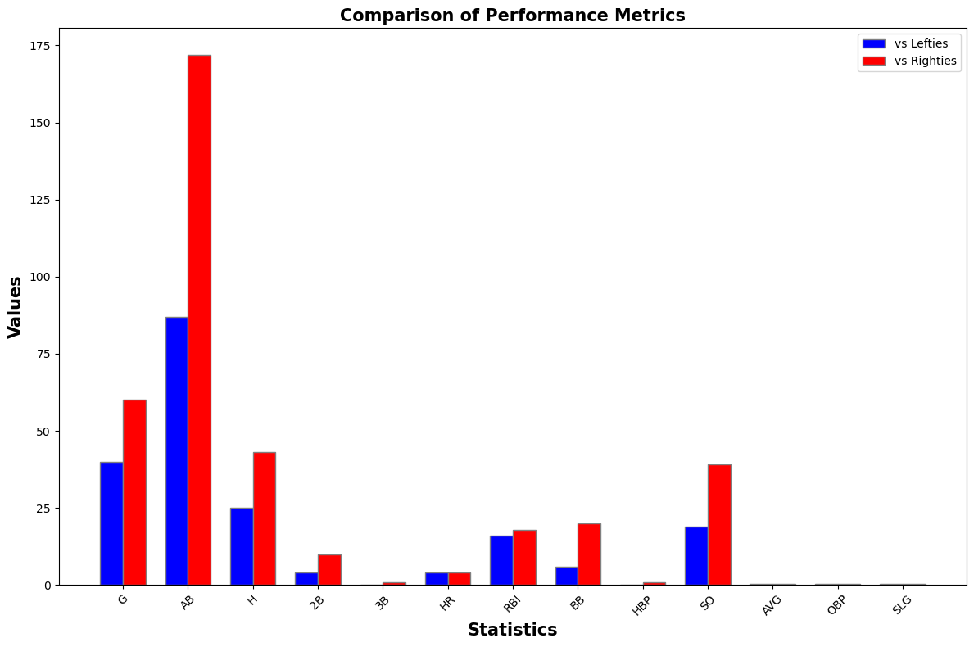
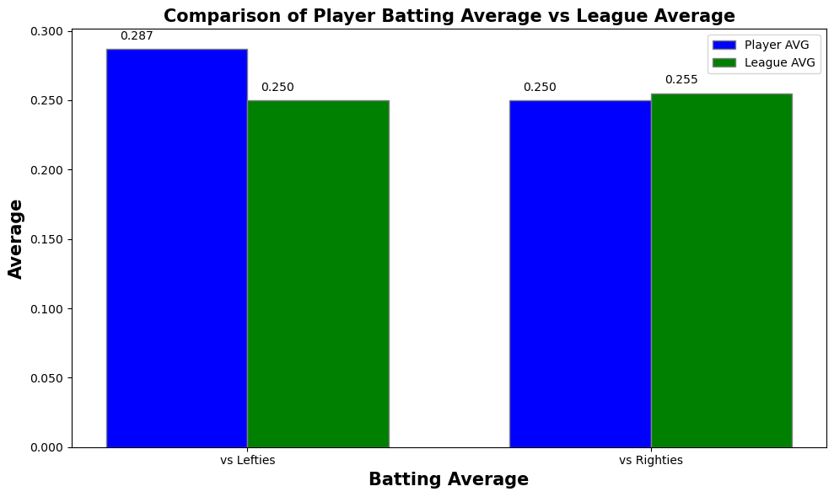
 | G | AB | H | 2B | 3B | HR | RBI | BB | HBP | SO | AVG | OBP | SLG
Left | 40 | 87 | 25 | 4 | 0 | 4 | 16 | 6 | 0 | 19 | 0.287 | 0.33 | 0.471
Right | 60 | 172 | 43 | 10 | 1 | 4 | 18 | 20 | 1 | 39 | 0.25 | 0.33 | 0.39

